Laboratory_Information
Lab ID | Laboratory Name | Department | Purpose / Function | Major Equipment | Software (If any) | Number of Equipment | Lab Capacity (Students) | Courses Supported | Location / Room No | Lab In-Charge | Safety Facilities | Picture File Name | Remarks
 | Electrical Circuit Lab | EEE |  | Digital logic trainer board, Analog Oscilloscope ,Digital Oscilloscope Function generator Single D.C Power Supply Dual D.C Power Supply Multi-meter (Vector) Small Analog Ammeter Small Analog Voltmeter Analog Voltmeter (AC) Analog Voltmeter (DC) Analog Ammeter (AC) Analog Ammeter (DC) Galvanometer Digital Volt Metter Digital A Metter Clump Metter Analog Clump Metter Watt meter (Analog) L C R Metter Frequency counter (Big) Frequency meter Frequency counter (digital) Screw driver (star) Soldering Iron Soldering Lead Soldering Stand Soldering sucker Solar panel With Controller R F Signal Generator Bread Board Switch-S.P.S.T-SPDT-DPDT-DPST Resistive Bank Capacitive bank Inductive Bank Water Hitter Resistive board AC Network Circuit Board/ Trainer Board X-former(220v to 12*2v) Computer power supply Speaker Charger (6V to 12V) V.C.D & D.V.D Amplifier Magnifying Glass Lamp Board Tools Box Relay Money Counter Digital thematic water bath Ultra Short wave Diathermy Apparels Battery Automatic Transfer Switch |  | 80 | 35 |  | Room 207 | Shariful Islam | 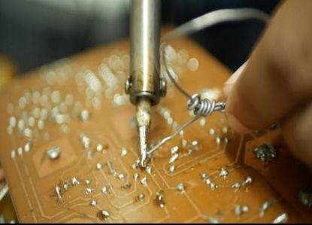 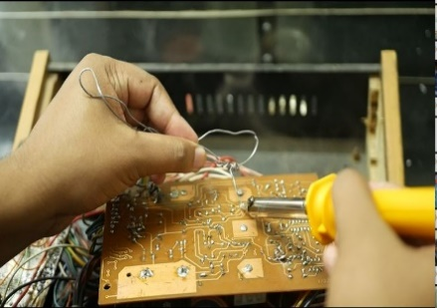 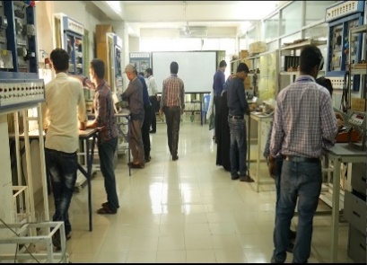 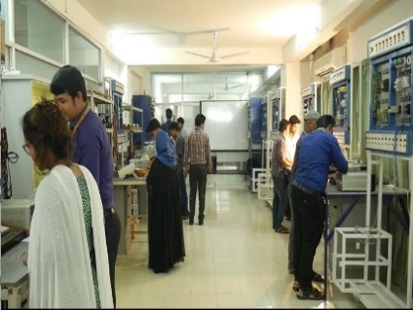 | Electrical Circuit Lab
 | Power System Protection & Communication Lab | EEE |  | Switchgear & Protection Trainer Electrical power Transmission line trainer (HVAC) Three phase power supply(variable) Three phase motor IDMT Relay Differential Relay Power Supply Cartridge fuse Analog Communication Training System Digital Communication Training System High Level Communication Training System 8086 Microprocessor Trainer Digital Oscilloscope Trainer Board Analog oscilloscope |  | 15 | 40 |  | Room 605 | Shariful Islam | 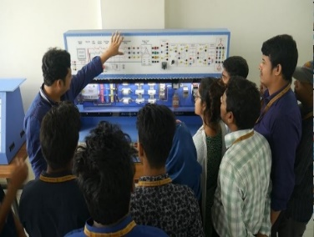 | 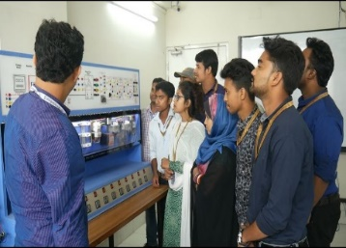
 | Energy Conversion Lab | EEE |  | Power Supply Capacitive Ran Motor Capacitor star Motor/Split Phase Motor Three Phase Induction Motor DC Motor/Generator Generator/ Alternator Three Phase Induction Motor Electro Dynamometer Single Phase Transformer Three Phase Transformer Variable Single Phase Auto Transformer Convert DC Power Supply Resistive Load Inductive Load Capacitive Load Synchronizing Module AC volt meter AC Ammeter Meter Watt Meter Digital Watt Meter Digital multi-Meter Techo Metter Connecting Cables-Cables |  | 22 | 40 |  | Room 208 | Shariful Islam |  | 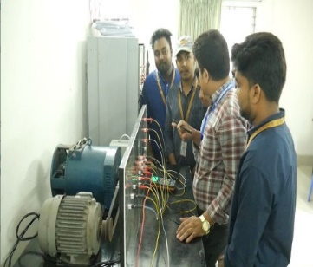 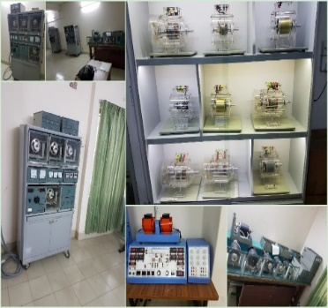
 | Electronic Lab | EEE |  | Digital oscilloscope Analog oscilloscope Dc power supply(single) Function Generator Logic trainer board Dc power supply(Dual) Power Electronic KIT With power supply Multi-meter UT33 Analog Ammeter (AC) Analog Ammeter(DC) Analog volt-meter(DC) Digital multi-meter (sanowa) Soldering Iron Stand Resistor Capacitor Variable Resistor Transistor Diode Mosfet S.C.R Heat Sink Digital IC Op-Apm IC 555 Timer IC Jumper Wire Three Input NOR Gate IC Holder Operational Amplifier 2x4 Decoder/de-multiplexer 3x8 Decoder/de-multiplexer 8-line to 3-line encoder 4-bit magnitude comparators Dual J-K Flip flop 7 segment Decoder 7 Segment Display Dual D Flip flop Dual JK flip-flop with reset; negative-edge trigger BCD to decoder/ 7 segment 8x1 Multiplexer 4x1 Multiplexer 4-bit binary full adder BCD to decoder/ 7 segment CMOS Low Power Monostable/Astable Multi-vibrator Diac Sisa Rozon |  | 47 | 45 |  | Room 604 | Shariful Islam |  | 